Contraband categories
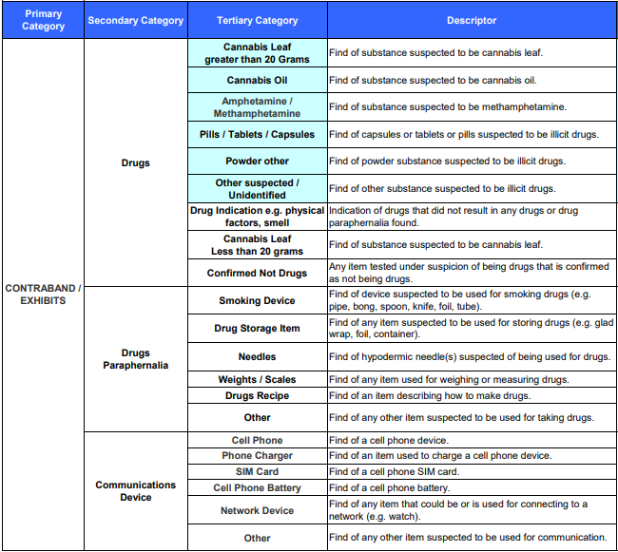
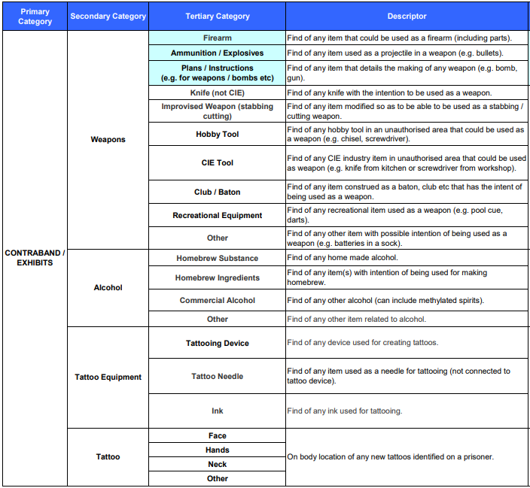
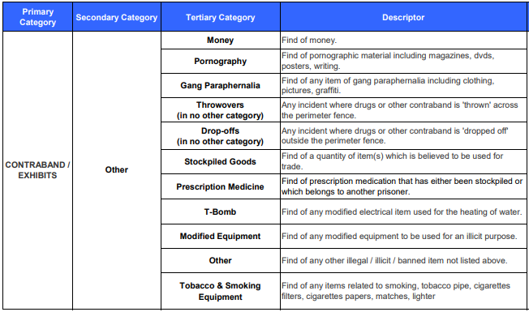
CONTRABAND / EXHIBITS
Contraband categories

Contraband in prisons includes alcohol, communication devices, drugs, drug paraphernalia, tattoo equipment, weapons and other items. Items that are prohibited may include everyday and seemingly innocent items that while not illegal, may be used inappropriately by prisoners. Tobacco and smoking equipment (e.g. lighters) have been considered contraband from 1 July 2011, when smoking was banned in all prisons.

Contraband is reported in the following categories:

> | Drugs - notifiable, such as suspected cannabis leaf greater than 20 grams or tablets or powders suspected to be illicit drugs
> | Drugs - non-notifiable, such as the smell or other indication of drugs or suspected drugs that were tested and confirmed as not being drugs
> | Drugs paraphernalia including smoking devices and needles
> | Communication device such as a cell phone or SIM card
> | Weapons, including improvised weapons or instructions for making them and hobby tools outside of authorised areas
> | Alcohol, either home brew or commercial or related items
> | Tattoo equipment including needles and ink
> | Any new tattoos identified on a prisoner
> | Other, including money, gang paraphernalia, prescription medicines and tobacco.

